After Cooler
COMMON RAIL PUMP DELIVERY AND
RECEIVING INSPECTION CHECKSHEET

JOB NUMBER |  |  | PART NAME |  |  |  | COMMON RAIL |  |  | DOCUMENT NO. |  |  | RC/QR06/EG/09/01
ENGINE MODEL |  | 6D170-5 | PART NUMBER |  |  |  |  |  |  | PUBL. DATE
ENGINE S/N |  |  | START DATE / TIME |  |  |  |  |  |  | REVISION NO. |  |  | 01
MACHINE MODEL |  |  | FINISH DATE / TIME |  |  |  |  |  |  | PAGE |  |  | 1 of 1

SKETCH DRAWING

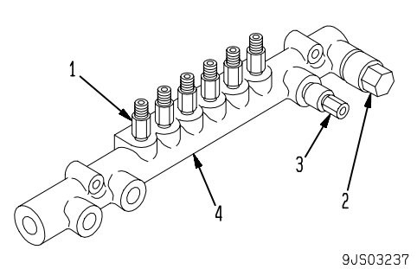
 |  |  |  | VISUAL INSPECT |  |  |  |  |  | MEC |  |  | QA
 |  |  |  |  |  |  |  |  |  | OK | NO |  | OK | NO
 |  |  |  | FREE CORROSION AND DIRT
 |  |  |  | CRACK HAS BEEN CHECKED
 |  |  |  | THREADS HAS BEEN CHECKED
 |  |  |  | ALL PLUG & SENSOR HAS BEEN TIGHTENED

 |  |  |  | MAN HOURS UTILIZATION
 |  |  |  | PROSES |  |  |  | START |  | FINISH |  |  | MAN HOURS
 |  |  |  | Inspection
 |  |  |  | TOTAL

 |  |  |  | Physical Data
 |  |  |  | No | Part Number |  |  |  | Part Name |  | Qty | New |  | Reuse
 |  |  |  | 1 | ND095400-0310 |  |  |  | FLOW DAMPER
 |  |  |  | 2 | ND499000-6160 |  |  |  | FUEL PRESSURE SENSOR
 |  |  |  | 3 | ND095420-0150 |  |  |  | PRESSURE LIMITTER
 |  |  |  | 4 | 6219-71-1210 |  |  |  | HOUSING
 |  |  |  | 5

RECEIVING INSPECTION COMMENT

 | DELIVERY BY SUB ASS'Y SECTION |  |  |  |  | RECEIVING INSPECTION BY MAIN ASS'Y ASSY
 | DELIVERED DATE : |  |  |  |  | INSPECTION DATE :
 | MECHANIC NAME : |  |  |  |  | MECHANIC NAME :
 | SIGN |  |  |  |  | SIGN

 | Note : New Common rail & after finishing can be directly measured by QA ( Quality Assurance )

